Order
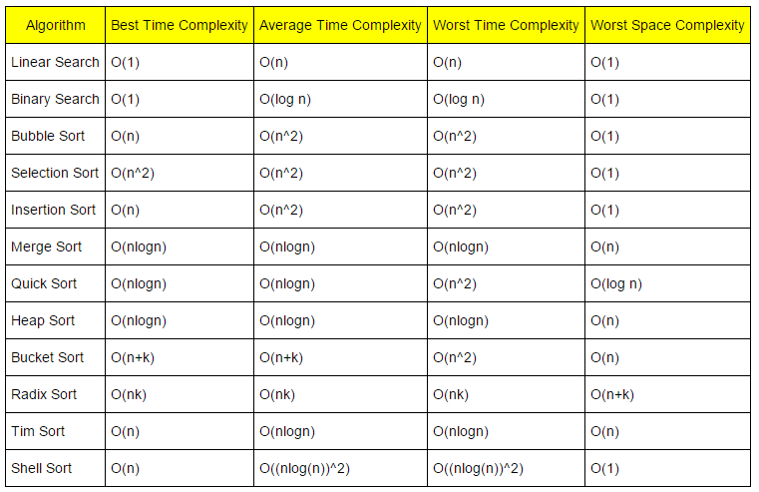

Algorithm | Time Complexity |  |  | Space Complexity
 | Best | Average | Worst | Worst
Quicksort | O(n log(n)) | O(n log(n)) | O(n^2) | O(log(n))
Mergesort | O(n log(n)) | O(n log(n)) | O(n log(n)) | O(n)
Timsort | O(n) | O(n log(n)) | O(n log(n)) | O(n)
Heapsort | O(n log(n)) | O(n log(n)) | O(n log(n)) | O(1)
Bubble Sort | O(n) | O(n^2) | O(n^2) | O(1)
Insertion Sort | O(n) | O(n^2) | O(n^2) | O(1)
Selection Sort | O(n^2) | O(n^2) | O(n^2) | O(1)
Tree Sort | O(n log(n)) | O(n log(n)) | O(n^2) | O(n)
Shell Sort | O(n log(n)) | O(n(log(n))^2) | O(n(log(n))^2) | O(1)
Bucket Sort | O(n+k) | O(n+k) | O(n^2) | O(n)
Radix Sort | O(nk) | O(nk) | O(nk) | O(n+k)
Counting Sort | O(n+k) | O(n+k) | O(n+k) | O(k)
Cubesort | O(n) | O(n log(n)) | O(n log(n)) | O(n)

